Dashboard Copy
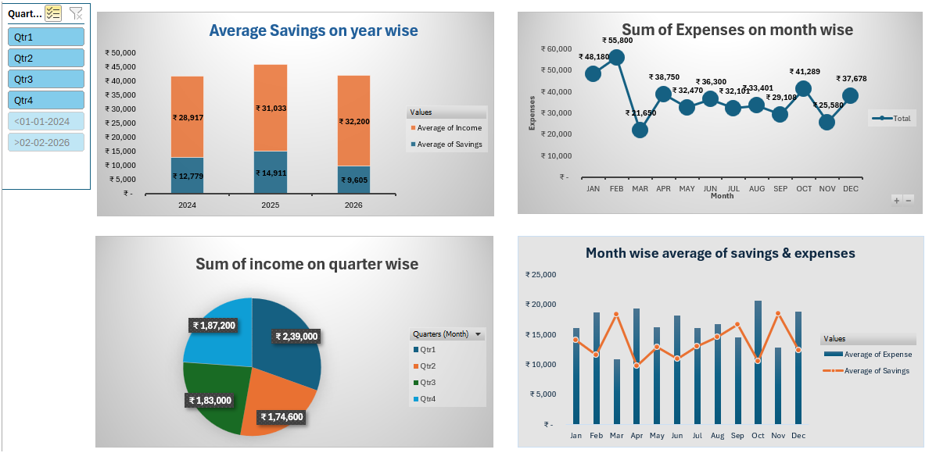
Personal Finance Tracker Dashboard COPY

Pivot Table
Average Savings on year wise
Average savings on year wise

Row Labels | Average of Savings | Average of Income
2024 | ₹ 12,779 | ₹ 28,917
2025 | ₹ 14,911 | ₹ 31,033
2026 | ₹ 9,605 | ₹ 32,200
Grand Total | ₹ 13,519 | ₹ 30,146

Sum of expenses on month wise

Row Labels | Sum of Expense
Jan | ₹ 48,180
Feb | ₹ 55,800
Sum of Expenses on month wise
Mar | ₹ 21,650
Apr | ₹ 38,750
May | ₹ 32,470
Jun | ₹ 36,300
Jul | ₹ 32,101
Aug | ₹ 33,401
Sep | ₹ 29,108
Oct | ₹ 41,289
Nov | ₹ 25,580
Dec | ₹ 37,678
Grand Total | ₹ 432,307

Sum of income on quarter wise

Row Labels | Sum of Income
Qtr1 | ₹ 239,000
Qtr2 | ₹ 174,600
Sum of income on quarter wise
Qtr3 | ₹ 183,000
Qtr4 | ₹ 187,200
Grand Total | ₹ 783,800

Month wise average of Savings & Expenses

Row Labels | Average of Expense | Average of Savings
Jan | ₹ 16,060 | ₹ 14,073
Feb | ₹ 18,600 | ₹ 11,533
Mar | ₹ 10,825 | ₹ 18,275
Apr | ₹ 19,375 | ₹ 9,725
May | ₹ 16,235 | ₹ 12,865
Jun | ₹ 18,150 | ₹ 10,950
Jul | ₹ 16,051 | ₹ 13,050
Aug | ₹ 16,701 | ₹ 14,500
Sep | ₹ 14,554 | ₹ 16,646
Month wise average of savings & expenses
Oct | ₹ 20,645 | ₹ 10,556
Nov | ₹ 12,790 | ₹ 18,410
Dec | ₹ 18,839 | ₹ 12,361
Grand Total | 16627.2 | ₹ 13,519

Dashboard
Personal Finance Tracker Dashboard

Average Savings on year wise
 | Average of Savings | Average of Income
2024 | ₹ 12,779 | ₹ 28,917
2025 | ₹ 14,911 | ₹ 31,033
2026 | ₹ 9,605 | ₹ 32,200
Sum of Expenses on month wise
 | Total
Jan | ₹ 48,180
Feb | ₹ 55,800
Mar | ₹ 21,650
Apr | ₹ 38,750
May | ₹ 32,470
Jun | ₹ 36,300
Jul | ₹ 32,101
Aug | ₹ 33,401
Sep | ₹ 29,108
Oct | ₹ 41,289
Nov | ₹ 25,580
Dec | ₹ 37,678

Sum of income on quarter wise
 | Total
Qtr1 | ₹ 239,000
Qtr2 | ₹ 174,600
Qtr3 | ₹ 183,000
Qtr4 | ₹ 187,200
Month wise average of savings & expenses
 | Average of Expense | Average of Savings
Jan | ₹ 16,060 | ₹ 14,073
Feb | ₹ 18,600 | ₹ 11,533
Mar | ₹ 10,825 | ₹ 18,275
Apr | ₹ 19,375 | ₹ 9,725
May | ₹ 16,235 | ₹ 12,865
Jun | ₹ 18,150 | ₹ 10,950
Jul | ₹ 16,051 | ₹ 13,050
Aug | ₹ 16,701 | ₹ 14,500
Sep | ₹ 14,554 | ₹ 16,646
Oct | ₹ 20,645 | ₹ 10,556
Nov | ₹ 12,790 | ₹ 18,410
Dec | ₹ 18,839 | ₹ 12,361

